ARMOR STYLES
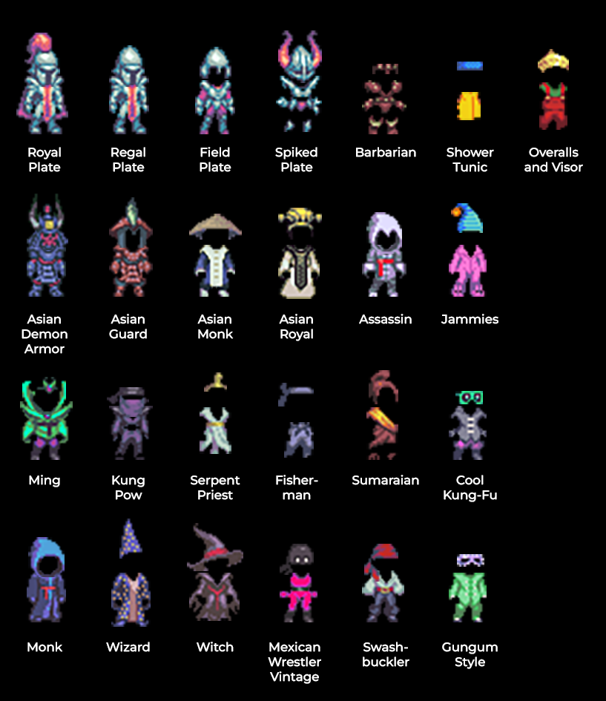

1. El vómito de Dios
2. Alejandro Aguilar
3. RTVC (Río)
4. Edgardo Román los Sábados
5. Un Chico - Marilyn
6. Congo
7. Podcast - Mitos y no sé qué maricadas
8. Dramaturgias sonoras para ciegos
9. Laboratorio Audiovisual Uribe Uribe
10. Polimnia Teatro Texto

WEAPON STYLES
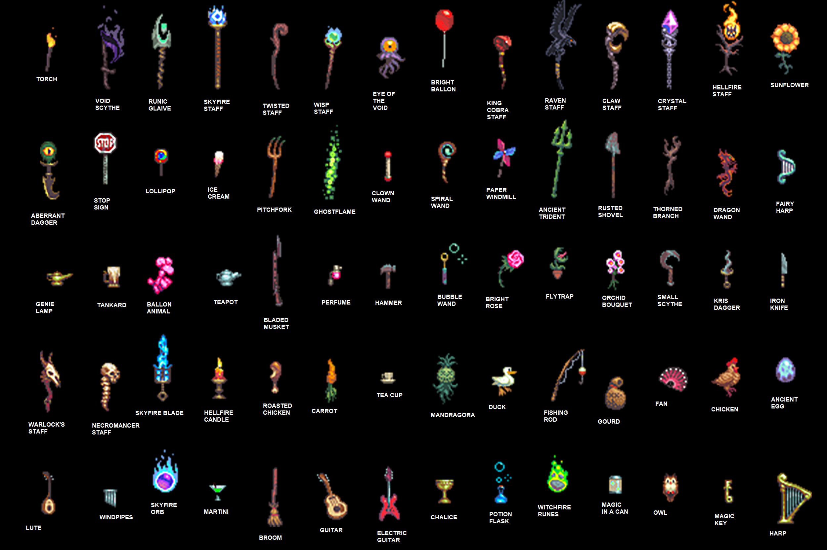
7 | TOOLS | FAMILIARS | INSTRUMENTS | FOOD | STAVES | DAGGERS
 | Torch | Eye of the Void | Fairy Harp | Lollipop | Skyfire Staff | Iron Knife
 | Pitchfork | Ballon Animal | Lute | Ice Cream | Twisted Staff | Kris Dagger
 | Stop Sign | Duck | Guitar | Carrot | Wisp Staff | Aberrant Dagger
 | Rusted Shovel | Chicken | Electric Guitar | Martini | King Cobra Staff
 | Small Scythe | Ancient Egg | Harp | Magic in a Can | Raven Staff
 | Hammer | Owl | Windpipes | Roasted Chicken | Claw Staff
 | Fishing Rod |  |  |  | Crystal Staff
 | Broom |  |  |  | Hellfire Staff
 |  |  |  |  | Warlock Staff
 |  |  |  |  | Necromancer Staff

 | WANDS | PLANTS | TRINKETS | LONG WEAPONS | ARCANE FOCUS
 | Spiral Wand | Sunflower | Tankard | Void Scythe | Ghostflame
 | Dragon Wand | Orchid Bouquet | Teapot | Bladed Musket | Hellfire Candle
 | Bubble Wand | Flytrap | Perfume | Thorned Branch | Genie Lamp
 | Clown Wand | Bright Rose | Fan | Runic Glaive | Magic Key
 |  | Mandragora | Gourd | Ancient Trident | Witchfire Runes
 |  |  | Tea Cup | Skyfire Blade | Skyfire Orb
 |  |  | Chalice
 |  |  | Potion Flask
 |  |  | Bright Balloon
 |  |  | Paper Windmill

